Instructions
INSTRUCTIONS (v.14.04 beta)
This tool has been tested on Microsoft Excel 2010
1. GENERAL INFORMATION The tool consists of 8 sheets: - 3 setup sheets, used to assign a weight to each item (questions, dimensions and indicators of the tool; - 4 results sheets, used to answer the questions and to check the overall score for dimensions, indicators and performance areas; - 1 summary sheet with the overall scores fo performance areas and indicators.
2. WEIGHTING SETUP For each item of the model (Question, Dimension and Indicator) a weight must be assigned in order to calculate the overall score of each related item (Questions -> Dimension; Dimensions -> Indicator; Indicators -> Performance Area). The weight assigned to each item must be within a specific range (columns G e H). For each item, the tool provides a default value for each asked weight, as the average value of the related range.The default weight value is indicated in column I. If no weight is assigned, the default value will be considered.

In case of mistakes in the weighting setup, warnings are shown. In particular: - "Fatal error on weight's range" (column S): a warning is shown if the assigned weight value is out of the permitted range (more information about the type of error are shown in columns - "Alert on weights" (column W): a warning is also provided when the sum of weights assigned to items that concurr to calculate the same overall score is not 100% (either more or less than 100%). In this case the assigned weights will be automatically recalculated and a warning is shown in column AA.

3. ANSWERING QUESTIONS AND CALCULATING MATURITY INDEX To calculate the Maturity Index for each item, the country must answer question listed in "QUESTIONS" sheet choosing the right answer between options provided ni the drop-down list in column
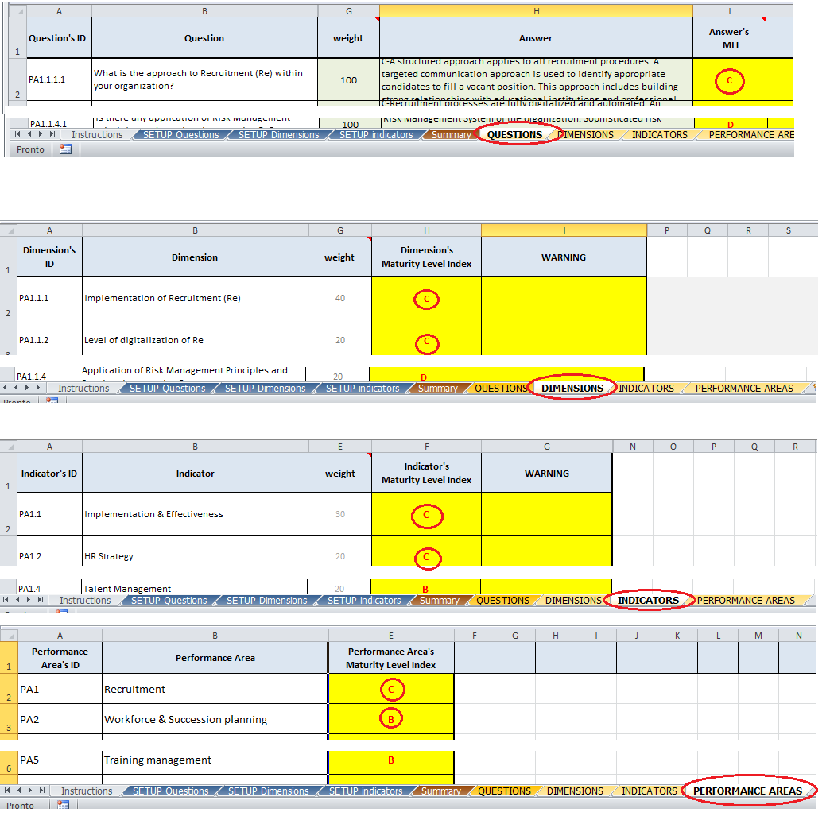 For some questions a "E - Not relevant / Not applicable" answer is provided. The choice of this option neutralizes the question (and therefore also question-related Dimension). Answering the questions allows the system to calculate the Maturity Level Indices for the Dimensions related to the questions and, then, for the Indicators and, finally, for the Performance areas. The respective Maturity Level Indices can be read in the "Dimension", "Indicator" and "Performance areas" sheets.
The "Summary" provides a global view of Maturity Level Indices for Pas and Indicators

4. "SUMMARY SHEET A global view of Performance Areas and Indicators Maturity Level Indices is provided by the "Summary" sheet:

If one or more answers related to same same Indicator are missing it is not possible to calculate the overall score and the Summary table shows "Data not available" (A). For this reason it will be impossible to calculate the Performance Area's overall score so a "Data not available" warning is shown (B). When an Indicator is not considered for some Performance Area a blank cell is shown (D). The Indicator's Overall score is calculated as an average of scores related to the same indicator across the Performance Areas but the system calculates it only if the Indicator is considered in 5 performance areas at least.

